Artifact-CraftingChart
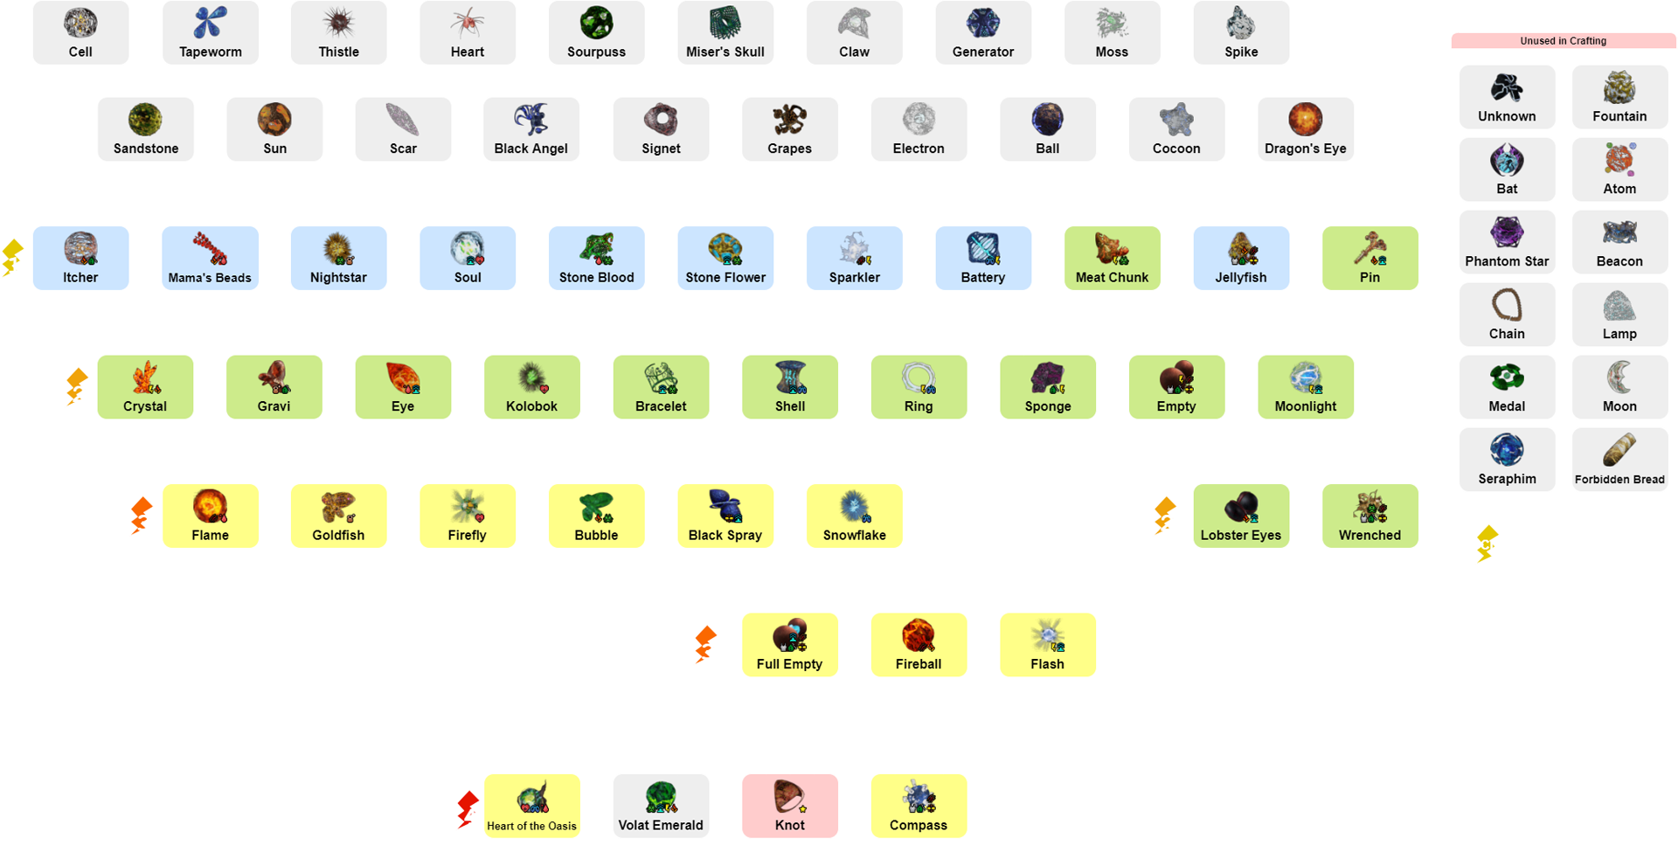
Atrifact Crafting Chart provided by @Pluto

